Clearance
IVY LIVING FIREPIT CLEARANCE
IMAGE | BARCODE | SKU | DESCRIPTION | PACK SIZE | RRP | Line RRP | AVAILABLE QTY
 | 5055352840427 | OBFB70 | Outdoor Buckingham Firebowl Black Iron H51cm W70Cm | 1 | £249.99 | £46,998.12 | 188
 | 5055352840434 | OBFR70 | Outdoor Buckingham Firebowl Rust Iron H51cm W70Cm | 1 | £249.99 | £72,997.08 | 292
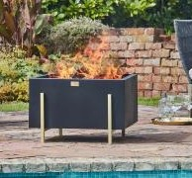 | 5055352854691 | OOFB40 | Outdoor Orion Firebowl in Matt Black/Antique Gold H40CM W62CM | 1 | £299.99 | £44,998.50 | 150
 | 5055352854684 | OLFB40 | Outdoor Libra Contemporary Firebowl in Matt Black H55CM W45CM | 1 | £199.99 | £35,998.20 | 180
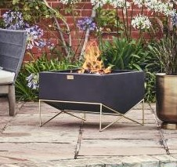 | 5055352854660 | OGFB42 | Outdoor Gemini Firebowl with Geometric Frame in Matt Black/Antique Gold H42CM W58CM | 1 | £299.99 | £17,999.40 | 60
 | 5055352854653 | OSSGPS | Outdoor Colorado Stainless Steel Grill Plate W53.5CM D46.5CM | 6 | £79.99 | £7,999.00 | 100
 | 5055352854677 | OLFP120 | Outdoor Leo Fireplace in Matt Black/Antique Gold H120CM W46CM | 1 | £349.99 | £62,998.20 | 180
 | 5055352831791 | 957757 | Firebowl & Rectangle Console Cement H52cm W64cm | 1 | £219.99 | £28,598.70 | 130
 | 5055352831807 | 972491 | Square Firebowl & Square Console Granite 40cm | 1 | £249.99 | £35,498.58 | 142
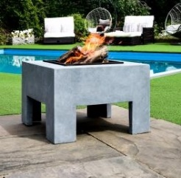 | 5055352831814 | 972492 | Square Firebowl & Square Console Cement 40cm | 1 | £249.99 | £32,998.68 | 132
 | 5055352839018 | OCFR57 | Outdoor Cast Iron Firebowl on Stand in Rust iron H45cm W56cm | 1 | £229.99 | £68,997.00 | 300
 | 5055352839025 | OCFB57 | Outdoor Cast Iron Firebowl on Stand in Black iron H45cm W56cm | 1 | £229.99 | £66,697.10 | 290
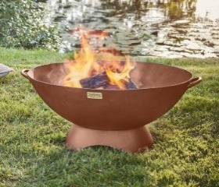 | 5055352839056 | AFBR72 | Outdoor Artisan Firebowl in rust Iron H31xW72cm | 1 | £299.99 | £41,998.60 | 140
 | 5055352839063 | AFBB72 | Outdoor Artisan Firebowl in black Iron H31xW71cm | 1 | £299.99 | £11,999.60 | 40
 | 5055352840366 | ONFB52 | Outdoor Norfolk Firebowl Black Iron H44.5cm W52Cm | 1 | £149.99 | £28,498.10 | 190
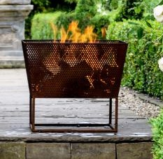 | 5055352840373 | ONFR52 | Outdoor Norfolk Firebowl Rust Iron H44.5cm W52Cm | 1 | £149.99 | £20,998.60 | 140
 | 5055352846870 | OMIFR61 | Outdoor Metal Industrial Firebowl in Rust H34Cm W59Cm | 1 | £249.99 | £7,499.70 | 30
 | 5055352846894 | OMKFSB77 | Outdoor Metal Kendal Firebowl on Stand in Black H44.5Cm W77Cm | 1 | £329.99 | £19,799.40 | 60
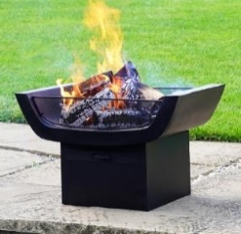 | 5055352846900 | OMSFGB41 | Outdoor Metal Sussex Firepit with Grill in Black H41Cm W64Cm | 1 | £299.99 | £17,399.42 | 58
 | 5055352846924 | OMHFGB40 | Outdoor Metal Hexham Firepit with Grill in Black H40.5Cm W58Cm | 1 | £279.99 | £48,438.27 | 173
 | 5055352846931 | OMDFR37 | Outdoor Metal Dakota Firebowl in Rust H37Cm W71Cm | 1 | £299.99 | £59,998.00 | 200
 | 5055352846948 | OTMDFR65 | Outdoor Tall Metal Dakota Firebowl in Rust H65Cm W38Cm | 1 | £199.99 | £11,999.40 | 60
 | 5055352846955 | OCMCSCB136 | Outdoor Colorado Metal Cooking Stand with Chain in Black H136Cm W96Cm | 6 | £79.99 | £16,237.97 | 203
 | 5055352846979 | OCMCBB22 | Outdoor Colorado Metal Cooking Bowl in Black H18Cm W44Cm | 1 | £79.99 | £11,678.54 | 146
 | 5055352846986 | OCMCBB13 | Outdoor Colorado Metal Cooking Bowl in Black H9Cm W24.5Cm | 1 | £39.99 | £5,358.66 | 134
 | 5055352846993 | OCMCDB13 | Outdoor Colorado Metal Cooking Dish in Black H5Cm W46Cm | 1 | £69.99 | £7,838.88 | 112
 | 5055352847006 | OCMCDB09 | Outdoor Colorado Metal Cooking Dish in Black H5Cm W29Cm | 1 | £39.99 | £4,598.85 | 115
 | 5055352847013 | OCSSS35 | Outdoor Colorado Stainless Steel Skewer Set H4Cm W35Cm | 6 | £39.99 | £13,156.71 | 329
 | 5055352847020 | OCSSGP79 | Outdoor Colorado Round Iron Stainless Steel Grill Plate H2.5Cm W67Cm | 6 | £79.99 | £35,755.53 | 447
 | 5055352847037 | OCMGPB79 | Outdoor Colorado Metal Griddle Plate In Black H1m W79Cm | 6 | £39.99 | £12,316.92 | 308
 | 5055352847044 | OCSSR95 | Outdoor Colorado Iron Stainless Steel Rotisserie H17.5Cm W98Cm | 1 | £89.99 | £16,738.14 | 186
 | 5055352847051 | OCMFPB84 | Outdoor Colorado Metal Fire Poker in Black H84Cm W8.5Cm | 10 | £14.99 | £5,336.44 | 356
 | 5055352847068 | OCMFASB83 | Outdoor Colorado Metal Fire Ash Scraper in Black H83Cm W11Cm | 10 | £14.99 | £5,846.10 | 390
 | 5055352847075 | OHFBG171 | Outdoor Henley Fireplace Black with Grill Iron H168Cm W61Cm | 1 | £499.99 | £20,999.58 | 42
 | 5055352847082 | OHFRG171 | Outdoor Henley Fireplace Rust with Grill Iron H168Cm W61Cm | 1 | £499.99 | £24,999.50 | 50
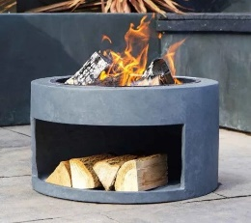 | 5055352847112 | 996766 | Firebowl & Round Console Granite H32Cm D58Cm | 1 | £299.99 | £17,999.40 | 60
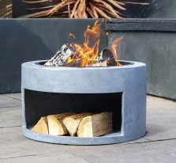 | 5055352847129 | 996767 | Firebowl & Round Console Cement H32Cm D58Cm | 1 | £299.99 | £17,999.40 | 60
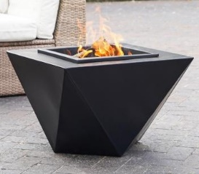 | 5055352846887 | OMGFB40 | Outdoor Metal Geometric Firebowl in Black H40Cm W58Cm | 1 | £249.99 | £21,499.14 | 86
 |  |  |  |  |  | £1,029,767.41 | 6259

